Script
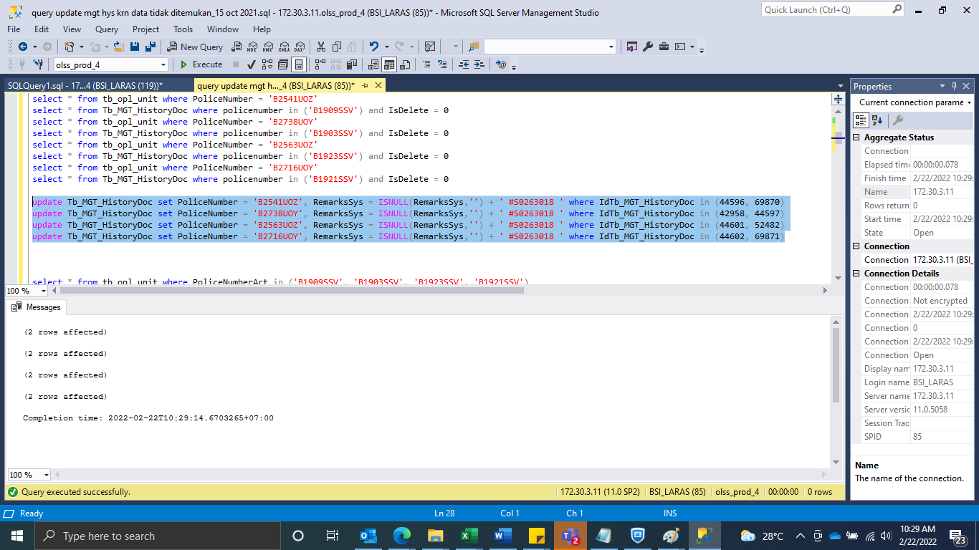
update Tb_MGT_HistoryDoc set PoliceNumber = 'B2541UOZ', RemarksSys = ISNULL(RemarksSys,'') + ' #S0263018 ' where IdTb_MGT_HistoryDoc in (44596, 69870)
update Tb_MGT_HistoryDoc set PoliceNumber = 'B2738UOY', RemarksSys = ISNULL(RemarksSys,'') + ' #S0263018 ' where IdTb_MGT_HistoryDoc in (42958, 44597)
update Tb_MGT_HistoryDoc set PoliceNumber = 'B2563UOZ', RemarksSys = ISNULL(RemarksSys,'') + ' #S0263018 ' where IdTb_MGT_HistoryDoc in (44601, 52482)
update Tb_MGT_HistoryDoc set PoliceNumber = 'B2716UOY', RemarksSys = ISNULL(RemarksSys,'') + ' #S0263018 ' where IdTb_MGT_HistoryDoc in (44602, 69871)

SS
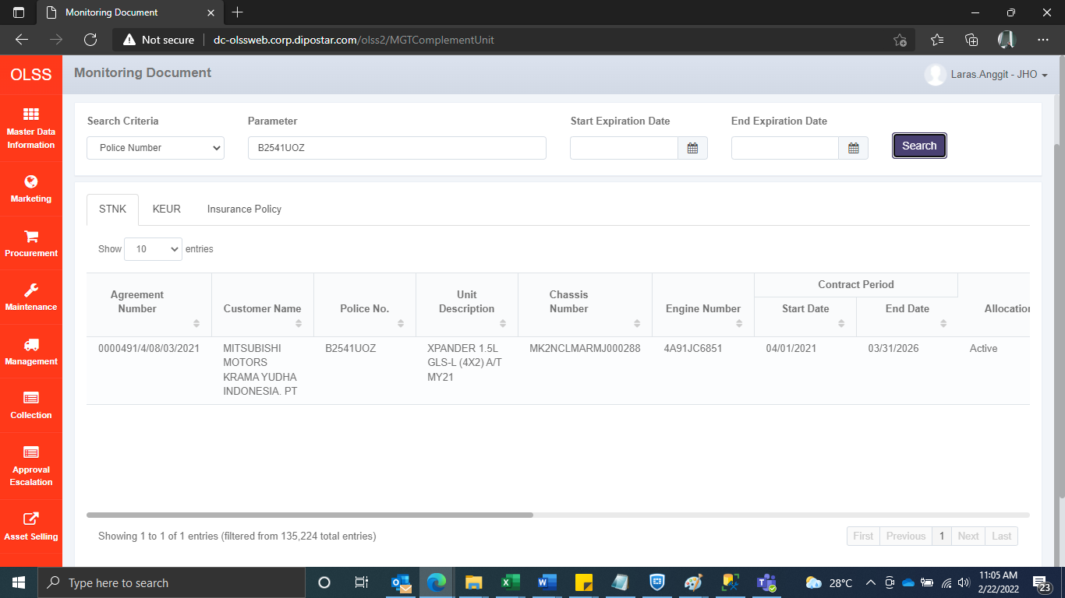



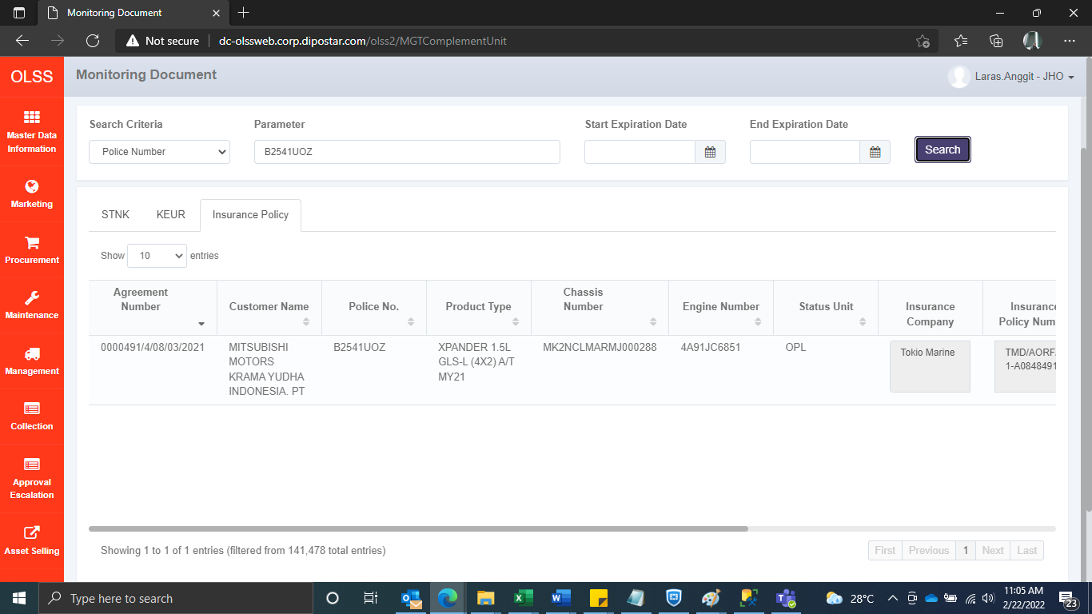



BEFORE










AFTER

